Sheet1
date | comment | action
2024/09/18 | General comment: need schematics for motherboard as well to review connectors – even if latest is not changed. | Files to be made accessible to everyone before review
2024/09/18 | What’s on other side of P99 abd VDD_EXT? It is recommended to monitor the V_INT pin to sense the end of the internal switch-off sequence of LEXI-R422 modules: VCC supply can be removed only after V_INT goes low. Does V_Int goes back to MCU (after level translation)? | Implemented, OK.
2024/09/18 | GPIO6 for SIM detection – should we include that? | Nice to have, it won’t be required for this version. Change rejected
2024/09/18 | TXD line represents data transmitted by the DTE (host processor output) and received by the DCE (module input). | RE: Please see the level translator pin assignment see documentation 1.9.1.1
2024/09/18 | It is highly recommended to provide accessible test points directly connected to the V_INT, PWR_CTRL, USB_5V0, USB_3V3, USB_D+, USB_D-, RSVD #99 pins for FW upgrade and/or for diagnostic purpose. | test points under the cell board are not accessible. That would require change in main board. Change Rejected
2024/09/18 | LED on board switched by network pin? Do we need a LED here? | OK Change Rejected
2024/09/18 | 470uF where do they come from? | OK Change Rejected
2024/09/18 | Increase GND keep-out (i.e. clearance, a void area) at least up to 500 μm around the ANT pad on the top layer of the application PCB, to reduce parasitic capacitance to ground, as described in the left picture in Figure 29. | OK Change Rejected
2024/09/18 | Add GND keep-out (i.e. clearance, a void area) on the buried metal layer below the ANT pad if the top-layer to buried layer dielectric thickness is below 200 μm, to reduce parasitic capacitance to ground, as described in the right picture in Figure 29. | OK Change Rejected
2024/09/18 | Antenna circuit does not match guidelines | OK Change Rejected
2024/09/18 | Antenna recommendation is without angles. | Implemented OK
2024/09/18 | ESD on uSIM tracks connected to GND not VDD | Schematic is fine as is.Change rejected
2024/09/18 | voltage translator might need capacitors as per system design document | Implemented OK
2024/09/18 | need to go through design checklist mentioned in ublox system design document. Where all recommendations followed? | No other changes required
2024/09/25 | pin14 on main is to ground. | Implemented in new main board. LEXI won’t be compatible with old main boards.
2024/09/25 | capacitor in antenna circuit not populated. Is that right? Why? | OK
2024/09/25 | Use transistors with at least an integrated resistor in the base pin or otherwise put a 10 kohm resistor on the board in series to the GPIO when those are used to drive LEDs. | OK
2024/09/25 | Remove signal tracks from internal layers if possible. | To be implemented
2024/09/25 | Bump up revision number | To be implemented
2024/09/25 | 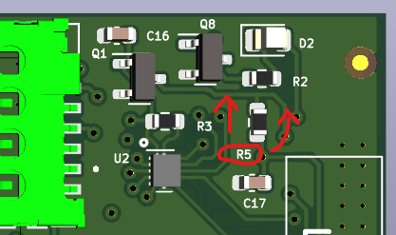 To allow the label grow, can C17 move to the left.
2024/09/25 | RefDes R5 should move up for the same reason above
2024/09/25 | 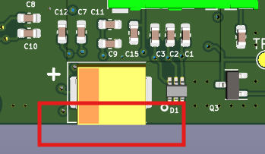 C6 right along the PCB edge. I'd be concerned of the component getting knocked during PCA Separation, or transport around the factory.
2024/09/25 | 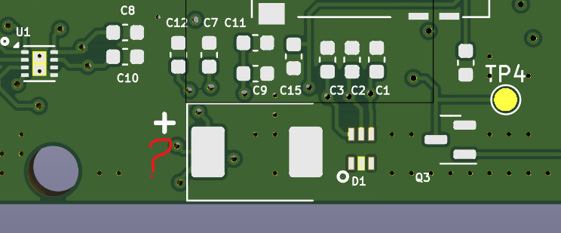 No visible C6 RefDes

